NBA Heights
Assume that NBA player heights are normally distributed. |  |  |  | Mean (cm) | 199
Heights of Player (cm) | Z-Score | Players SHORTER than this player | Players TALLER than this player | Standard Deviation | 8.89
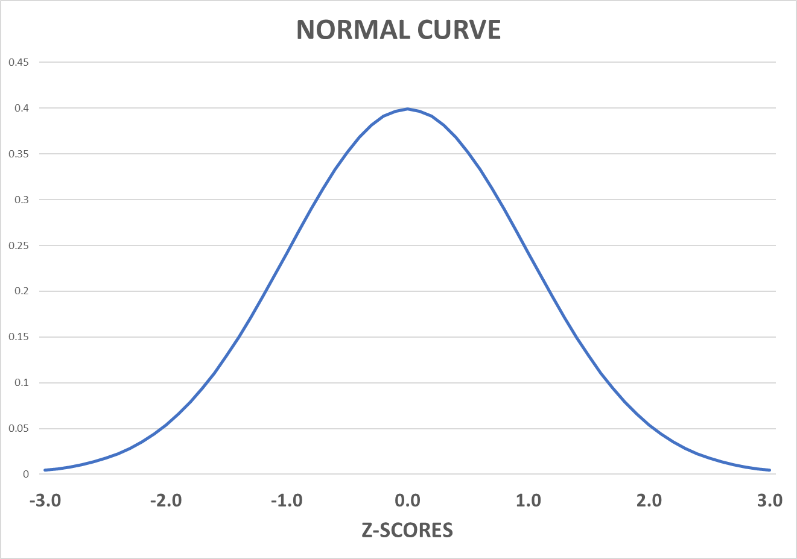

Players outside of this range
Between these two heights

